1. Title Page
Project Name: Instacart Grocery Basket Analysis
Date: April 21, 2023
Analyst Name: Gaurav Bhatia

Contents:
Population Flow
Consistency checks
Wrangling steps
Column derivations
Visualizations
Recommendations

“The Instacart Online Grocery Shopping Dataset 2017”, was accessed from https://www.instacart.com/datasets/grocery-shopping-2017.
The customer data set, as well as the “prices” column in the products data set, were both fabricated by CareerFoundry for the purpose of this course.

2. Population Flow
Title page

Population flow

Exclusion flag
Condition: max_order < 5
Obervations to be removed: First name and Last name
Final total count of order_products_all: 30,964,564

Orders_products_combined
Orders_products_merged
Orders_products_all

Total: 32,404,859
Total: 32,434,489
Total: 30,964,564

1.) The grey boxes in the first row of the population flow represent the original data sets as they were when you downloaded them. In the Total fields you need to add the count of the rows when you imported the data set into Jupyter.
2.) The second row of boxes (coloured) represents the data sets after you manipulated them, e.g., removed missing values and duplicates. In the Total fields you need to add the count of the rows after conducting these operations. This offers a visual oveview of how the data flows throughout the data consistency checks.
3.) The third row, where also the arrows are coloured, represents the merges you performed between the datasets. In the Total fields you need to add the count of the rows in the merged datasets, so that you end up with the final dataset (in the red box). Keep in mind the final dataset should be without exclusions (based on the exclusion flag).

3. Consistency checks
 |  |  |  | Title page
Consistency checks

Dataset | Missing values | Missing values treatment | Duplicates
orders | 206,209 missing values for column 'days_since_prior_order' | 6% of the total dataset is missing values. They are first time customers as we know that from order_number. Hence, at this point I will keep this dataset as the statistics could still be analysed. | No Duplicates
products | 16 missing values in 'Product_name' | Removed from Dataset | 5 Duplicate Values Found - Cleaned the dataset
orders_products_prior | No Missing Value | N/A | No Duplicates
customers | No Missing Value | N/A | No Duplicates

4. Wrangling steps
 |  |  |  | Title page
Wrangling steps

Columns dropped | Columns renamed | Columns' type changed | Comment/Reason
eval_set |  |  | Column was not relevant to the analysis
Unnamed: 0 |  |  | Column was not relevant to the analysis
_merge |  |  | Column was not relevant to the analysis
First Name |  |  | Data privacy, removed PII
Surnam |  |  | Data privacy, removed PII
 | order_dow' -> 'orders_day_of_week' |  | Renamed to provide clarity
 | department_id was transposed |  | for better readability
 | Gender -> gender |  | Renamed to provide clarity and consistency
 | STATE -> state |  | Renamed to provide clarity and consistency
 | Age -> age |  | Renamed to provide clarity and consistency
 | n_dependents -> Number_of_dependents |  | Renamed to provide clarity and consistency
 | fam_status -> family_status |  | Renamed to provide clarity and consistency
 |  | order_id' changed from 'int' to 'str' | Provides no meaningful descriptive statistics
 |  | user_id changed from 'int' to 'str' | Provides no meaningful descriptive statistics

5. Column derivations
 |  |  |  | Title page

Column derivations and aggregations

In this tab you should add tables below that the frequences of flags/label variables that you produced after deriving them. NB: don't do this for continuous variables, only for flags.
Dataset | New column | Column/s it was derived from | Conditions
orders_products_merged.pkl | price_range_loc | prices | If prices is greater than 15 : High range product If prices is between 5 and/including 15 : Mid range product If prices is less than 5 : Low range product
orders_products_merged.pkl | busiest days | orders_day_of_week | If orders_day_of_week is 0 or 1 : Busiest day If orders_day_of_week is 3 or 4 : Least busy day If orders_day_of_week is 2, 5, or 6 : Regularly busy
orders_products_merged.pkl | busiest_period_of_day | order_hour_of_day | If order_hour_of_day is between 9 and 16 : Most orders If order_hour_of_day is between 0 and 6 or value is 23 : Fewest orders All otherorder_hour_of_day : Average orders
orders_products_busiesttime.pkl | loyalty_flag | max_order | If max_order is greater than 40 : Loyal customer If max_order is > 10 and less than or equal to 40 : Regular customer If max order is less than or equal to 10 : New customer
orders_products_busiesttime.pkl | spending_flag | avg_price | If avg_price is less than 10 : Low spender If avg_price is greater than or equal to 10 : High spender
orders_products_busiesttime.pkl | frequency_flag | med_freq | If med_freq is greater than 20 : Non-frequent customer If med_freq is greater than 10 and less than or equal to 20 : Regular customer If med_freq is less than or equal to 10 : Frequent customer
orders_products_customer_clean.pkl | region | state | northeast = ['Maine', 'New Hampshire', 'Vermont', 'Massachusetts', 'Rhode Island', 'Connecticut', 'New York', 'Pennsylvania', 'New Jersey'] midwest = ['Wisconsin', 'Michigan', 'Illinois', 'Indiana', 'Ohio', 'North Dakota', 'South Dakota', 'Nebraska', 'Kansas', 'Minnesota', 'Iowa', 'Missouri'] south = ['Delaware', 'Maryland', 'District of Columbia', 'Virginia', 'West Virginia', 'North Carolina', 'South Carolina', 'Georgia', 'Florida', 'Kentucky', 'Tennessee', 'Mississippi', 'Alabama', 'Oklahoma', 'Texas', 'Arkansas', 'Louisiana'] west = ['Idaho', 'Montana', 'Wyoming', 'Nevada', 'Utah', 'Colorado', 'Arizona', 'New Mexico', 'Alaska', 'Washington', 'Oregon', 'California', 'Hawaii']
orders_products_customer_clean.pkl | activity_flag | max_order | If max_order is less than 5 : Low-activity If max_order is greater than or equal to 5 : High-activity
High_activity_customers.pkl | age_group | age | If age is between 18 and 40 : Young Adult If age is betweeen 40 and 65 : Middle Aged If age is greater than equal to 65 : Senior
High_activity_customers.pkl | income_group | income | If income is less than 52,200 : Low If income is between 52,200- 156,600 : Middle If income is greater than 156,600 : High
High_activity_customers.pkl | household_size | number_of_dependants | If number of dependants is equal to 0 : Small If number of dependants is 1 or 2 : Medium If number of dependants 3 or more : Large
High_activity_customers.pkl | time_of_order | order_hour_of_week | If the hour is between 8 to 16 : Day If the hour is between 17 to 23: Evening If the hour is between 0 to 7 : Overnight
High_activity_customers.pkl | time_of_week | orders_day_of_week | If day is between 2 to 6 : Weekdays If day is 0 or 1: Weekend

6. Visualizations and Recom_2
 |  |  |  |  | Title page

Visualisations and Recommendation

In this tab you should include all the visualtions from Exercises 4.9 and 4.10, alongside the questions from the project brief that they answer. Include any commentary on the relationship between different variables.

The sales team needs to know what the busiest days of the week and hours of the day are (i.e., the days and times with the most orders) in order to schedule ads at times when there are fewer orders

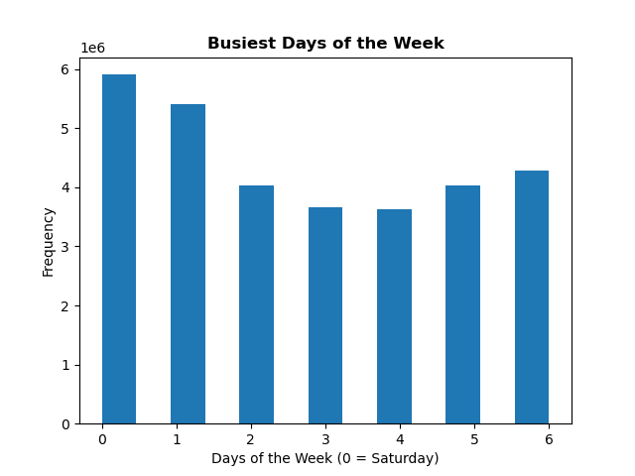
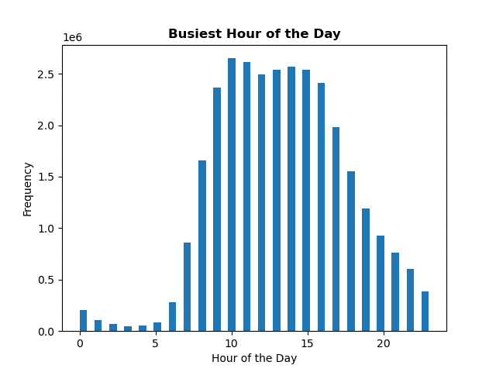

According to the analysis, Saturday and Sunday are the days with the highest activity, which aligns with the fact that they are the weekend and customers tend to do their weekly shopping during these days since they are not working. Moreover, the histogram displaying the order frequency per hour illustrates that the busiest hours are between 9am to 5pm, with 10am being the hour with the most orders.

Recommendation:
Based on the analysis, it is recommended that the sales team schedule their ads during the weekdays, especially during the hours outside of 9am to 5pm, as this is when there are fewer orders being placed. This can help the sales team to avoid the peak times and target customers when they are less likely to be busy with their regular shopping.
Additionally, it may be beneficial to offer promotions or discounts during the less busy times to encourage customers to shop during these times. This can help to even out the demand and prevent overcrowding during peak times.
Finally, the sales team should keep monitoring the sales data to identify any changes in the busiest days and hours and adjust their marketing strategies accordingly.

They also want to know whether there are particular times of the day when people spend the most money, as this might inform the type of products they advertise at these times.

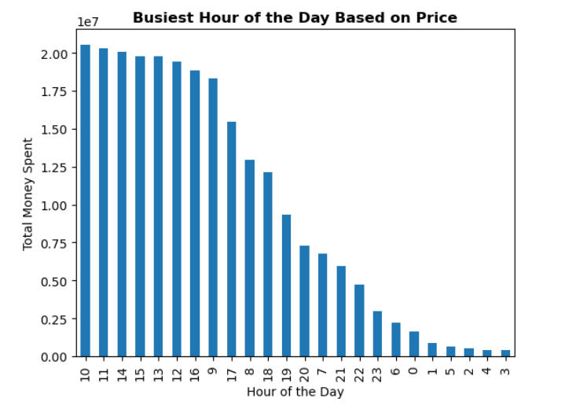

Recommendation
1. Peak Revenue Hours:
10 AM to 3 PM: The hours between 10 AM and 3 PM consistently show higher revenues compared to other hours. We may want to allocate more resources, staff, and inventory during these peak hours to ensure excellent customer service and maximize sales potential.

2. Focus on Afternoon Hours:
2 PM to 3 PM: The hour between 2 PM and 3 PM is particularly noteworthy as it has one of the highest revenue figures. It might be beneficial to identify any specific trends or factors contributing to this success and consider implementing targeted promotions or incentives during this hour to further boost sales.

3. Early Morning and Late Night Hours:
6 AM to 9 AM: The early morning hours between 6 AM and 9 AM show decent revenue figures. Consider offering breakfast items, coffee, and other grab-and-go options to cater to customers during their morning routine.
9 PM to 11 PM: The late-night hours between 9 PM and 11 PM also demonstrate significant revenue. It may be advantageous to provide convenience items, snacks, and late-night specials to attract customers during this time.

4. Optimizing Off-Peak Hours:
4 AM to 6 AM, 7 PM to 8 PM: The hours between 4 AM and 6 AM, as well as 7 PM to 8 PM, show lower revenues compared to peak hours. Consider evaluating the demand during these hours and adjusting staffing, inventory, and promotions accordingly to maximize efficiency and capture potential sales opportunities.

Furthermore, it may be helpful to analyze the data further to identify which particular products are being purchased most frequently during these peak times. This information can help the sales team to better tailor their advertisements to target these specific products during the appropriate times of the day.

In conclusion, by analyzing the sales data, the sales team can gain valuable insights into customer behavior and preferences, which can inform their marketing strategies and ultimately lead to increased sales and profitability.

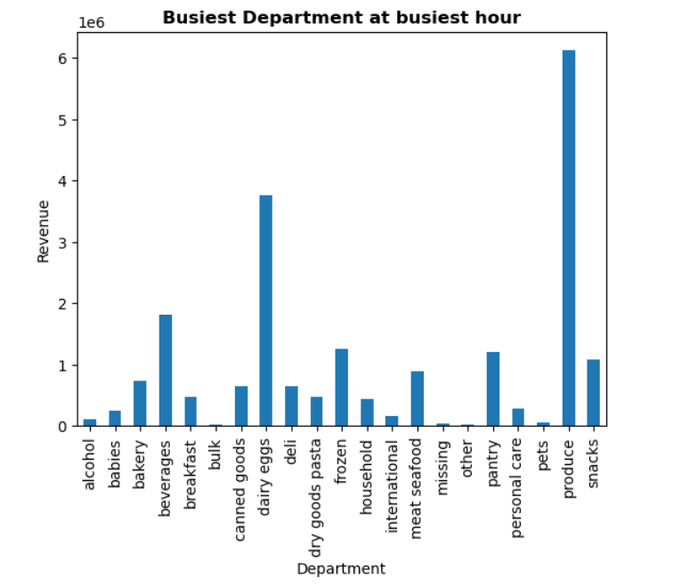

Recommendation
1. High Revenue Departments:

Produce: With revenue of 6,120,756.4, the produce department seems to be the highest revenue-generating department. We could consider allocating more resources, optimizing inventory management, and ensuring a wide variety of fresh produce options to cater to customer demands.
Dairy Eggs: With revenue of 3,758,632.8, the dairy and eggs department is also a significant contributor. We might focus on maintaining a diverse range of dairy and egg products, improving product display and promotion, and ensuring proper refrigeration to attract more customers.

2. Moderate Revenue Departments:

Beverages: With revenue of 1,817,016.0, the beverages department has a decent revenue. We could explore offering a wider range of beverages, including various non-alcoholic drinks, juices, and specialty beverages.
Frozen: With revenue of 1,251,744.1, the frozen department has a considerable revenue. It might be worth expanding the selection of frozen food items, including ready-to-eat meals, ice cream, and other frozen treats.

3. Low Revenue Departments:

Other: With revenue of 19,330.9, the "other" department seems to have lower sales. It would be beneficial to analyze the specific products falling under this category and evaluate their demand and customer interest. Consider optimizing the product selection or revisiting the marketing strategy for these items.
Missing: With revenue of 47,998.5, the "missing" department might indicate some missing or misclassified data. It is recommended to investigate and rectify any issues related to this department to ensure accurate reporting.

Are there certain types of products that are more popular than others? The marketing and sales teams want to know which departments have the highest frequency of product orders.

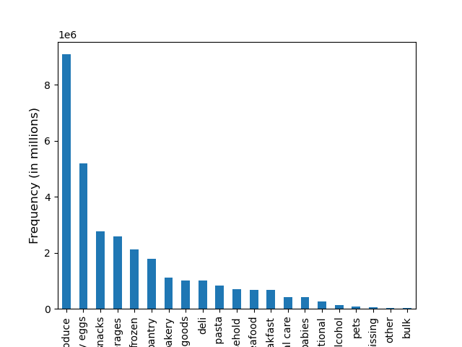

The department with the highest number of products ordered is produce, with over 9 million units. Dairy/eggs comes next with over 5 million products ordered. Following closely are snacks and beverages, with approximately 2.7 million and 2.5 million products ordered, respectively.

Recommendation
Based on the analysis, it can be concluded that the most popular departments in terms of product orders are produce, dairy/eggs, snacks, and beverages. The sales and marketing teams can utilize this information to focus their efforts on advertising and promoting these departments to increase sales and revenue. Additionally, they can explore ways to cross-promote products within these departments or create bundles to encourage customers to purchase more items.

What’s the distribution among users in regards to their brand loyalty (i.e., how often do they return to Instacart)?
Are there differences in ordering habits based on a customer’s loyalty status?

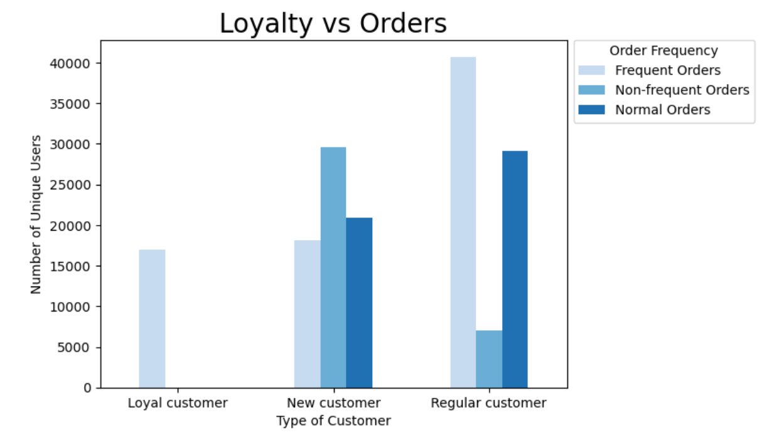

Almost all loyal customer order frequently followed by regular and new customers

Recommendation
Loyal customers: These customers are already frequent orders and have a strong loyalty towards the brand. Therefore, we could recommend them loyalty rewards and discounts to maintain their loyalty.
New customers: These customers are more likely to be attracted towards the brand if they are given some incentives like discounts on their first orders, free shipping, or some promotional offers to encourage repeat purchases.
Regular customers: These customers are a good source of steady revenue for the brand. To retain them and encourage them to purchase more frequently, we could offer them personalized discounts and offers based on their previous purchases and buying behavior.

Are there differences in ordering habits based on a customer’s region?

Analyzing from all angles i.e. with respect to the number of orders, number of users and revenue

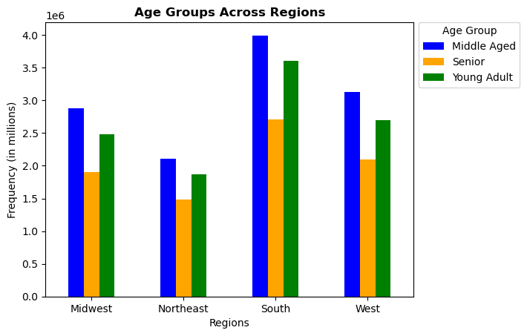
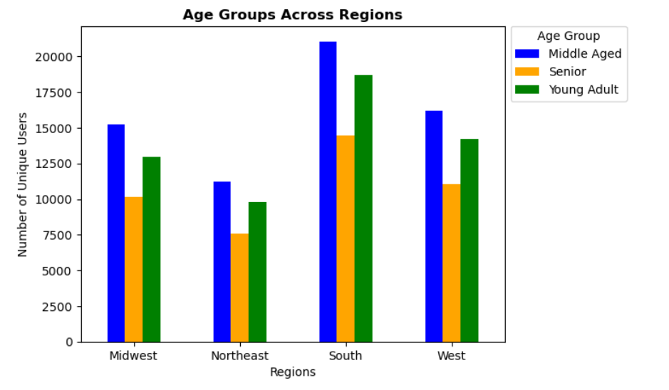
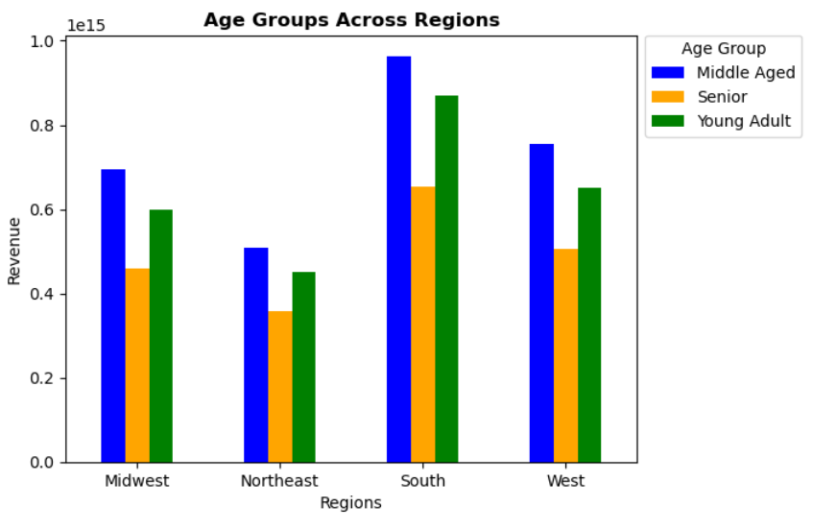

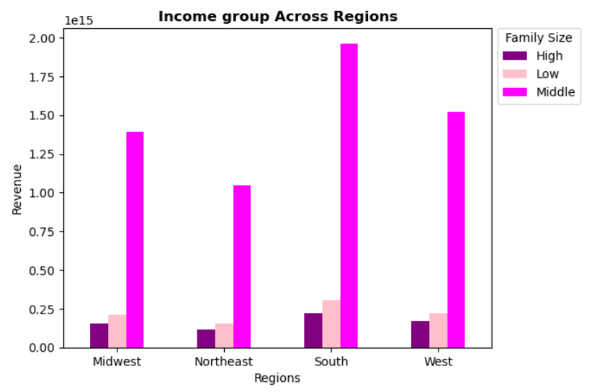
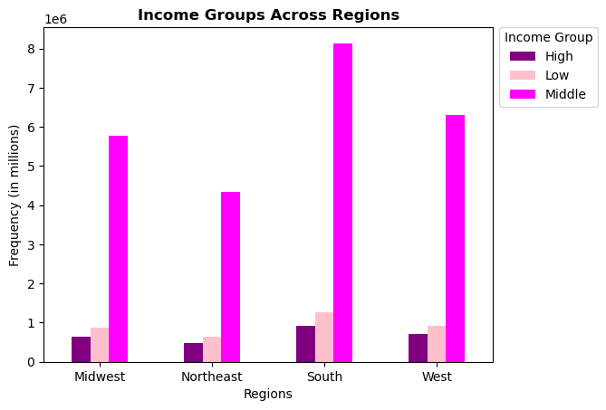
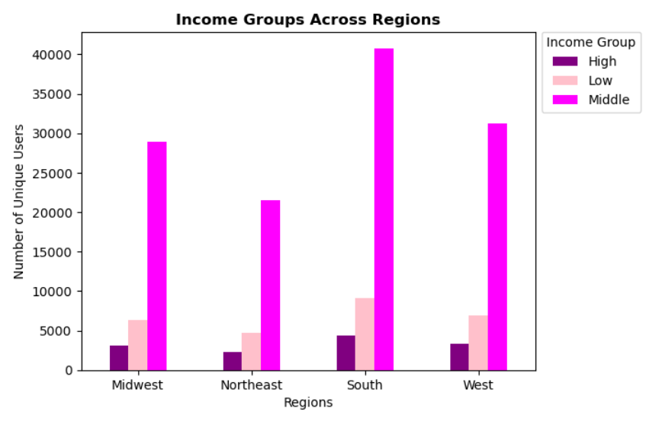

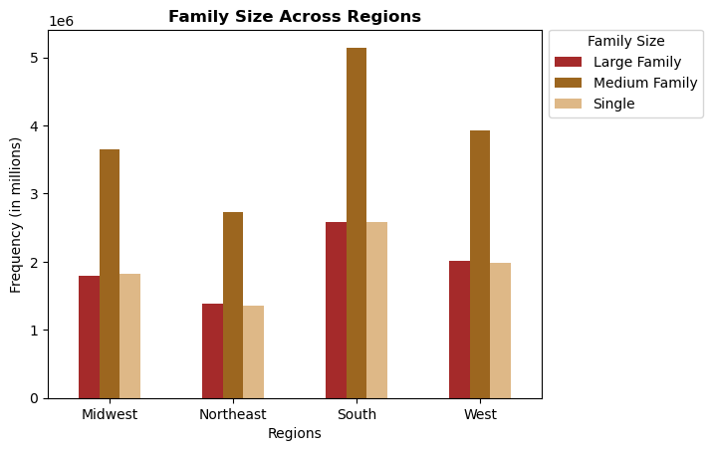
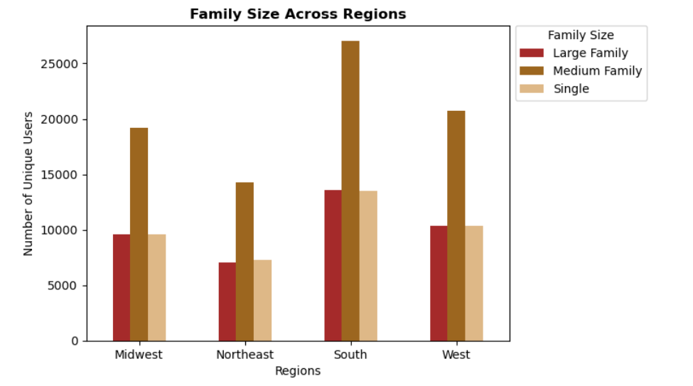
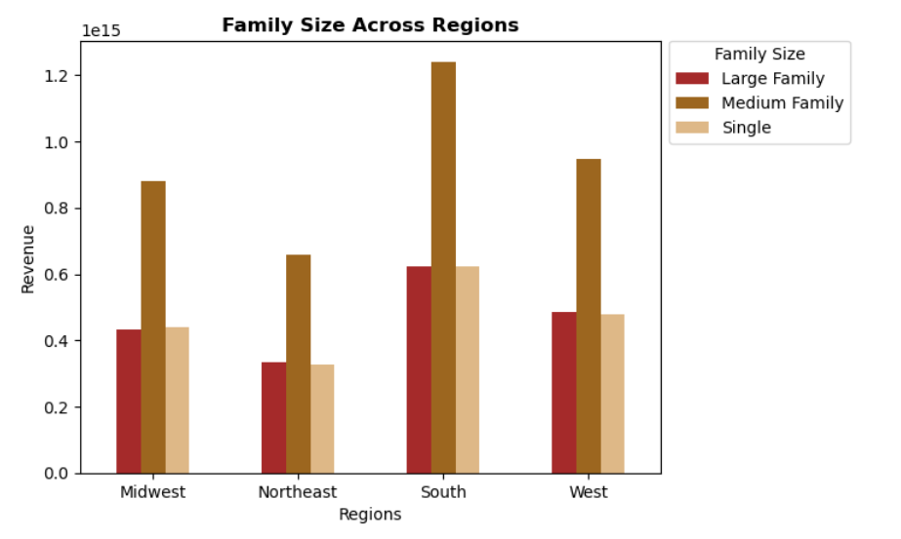

South reqion has the highest amount of orders followed by west, midwest and northeast

Recommendation
Based on the analysis, it appears that there are significant differences in ordering habits based on a customer's region. The South region has the highest amount of orders, followed by the West, Midwest, and Northeast regions. This information can be useful for the marketing and sales teams to tailor their advertising and promotional strategies based on regional preferences and habits.

Is there a connection between age and family status in terms of ordering habits?

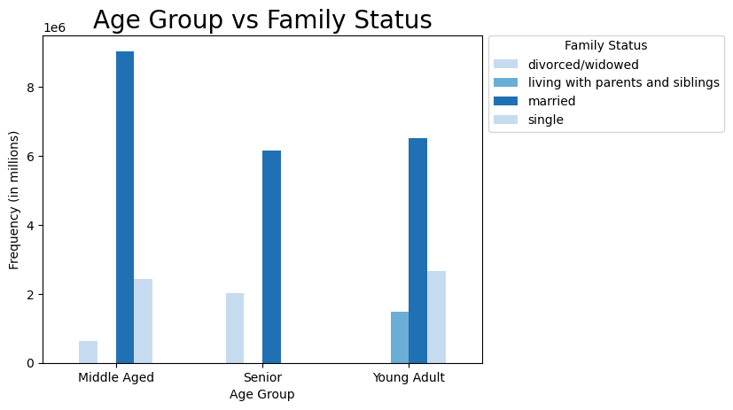

Recommendation
Based on the analysis, it seems that there is a connection between age and family status in terms of ordering habits. Specifically, middle-aged individuals who are married tend to order more than any other group. It could be because they are often busy with work and family responsibilities, leaving little time for shopping. Ordering groceries online is a convenient way for them to save time and avoid the hassle of going to a physical store.
Therefore, a recommendation would be to focus on advertising and promoting the convenience of online grocery shopping to this specific demographic, especially during peak ordering times (i.e., weekends and weekdays between 9am-5pm). Additionally, offering promotions or discounts on popular products ordered by this group may incentivize them to order even more frequently.

What different classifications does the demographic information suggest? Age? Income? Certain types of goods? Family status?

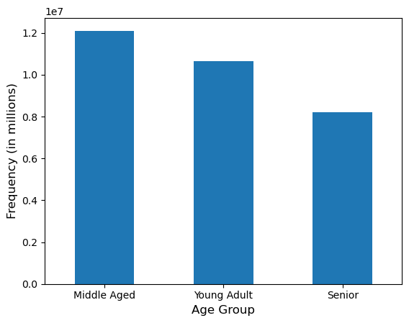
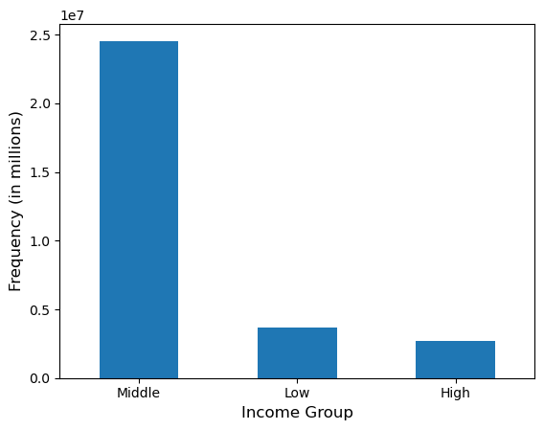

 | Young Adult : 18-39 Middle Aged : 40-65 Senior : 65+ |  |  | Low : < 52,200 Middle : 52,200 - 156,600 High : > 156,600

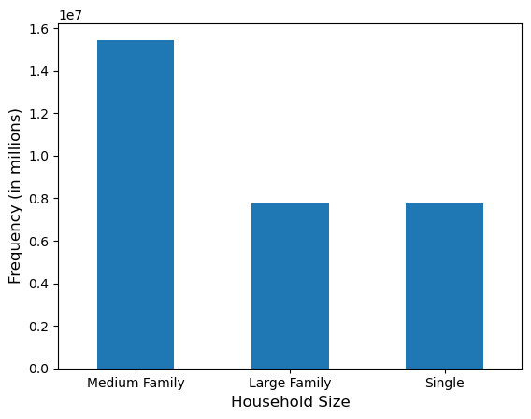
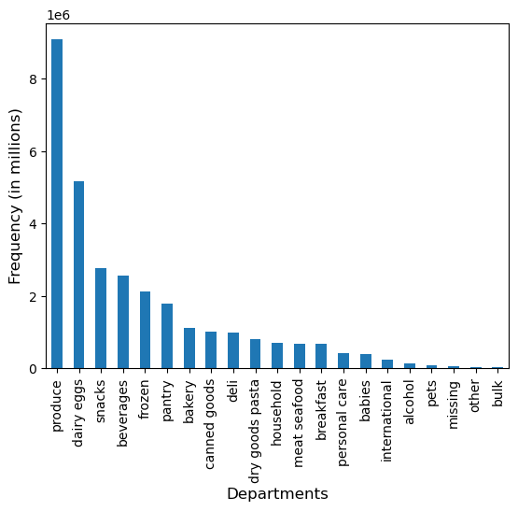

Single = 0, dependent, Medium = 1 to 2 dependents, Large = 3 dependents

Produce and Dairy eggs are the products that are mostly being ordered by Middle Age group people, by Middle Income people and by Medium Sized Family

What differences can you find in ordering habits of different customer profiles? Consider the price of orders, the frequency of orders, the products customers are ordering, and anything else you can think of.

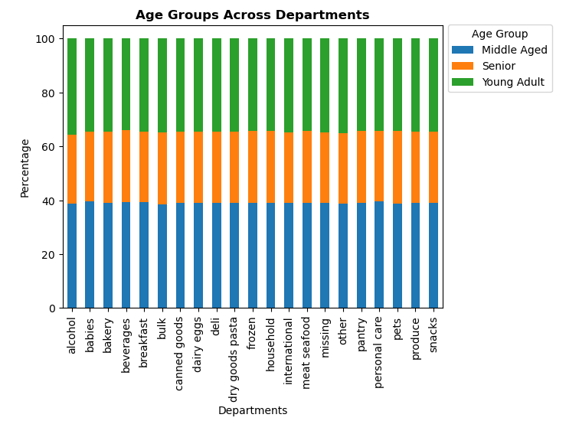
add_to_cart_order
 | mean | min | max
age_group
Middle Aged | 8.354216 | 1 | 145
Senior | 8.307779 | 1 | 99
Young Adult | 8.415515 | 1 | 109

prices_mod
 | mean | min | max
age_group
Middle Aged | 7.792248 | 1 | 25
Senior | 7.797417 | 1 | 25
Young Adult | 7.785525 | 1 | 25

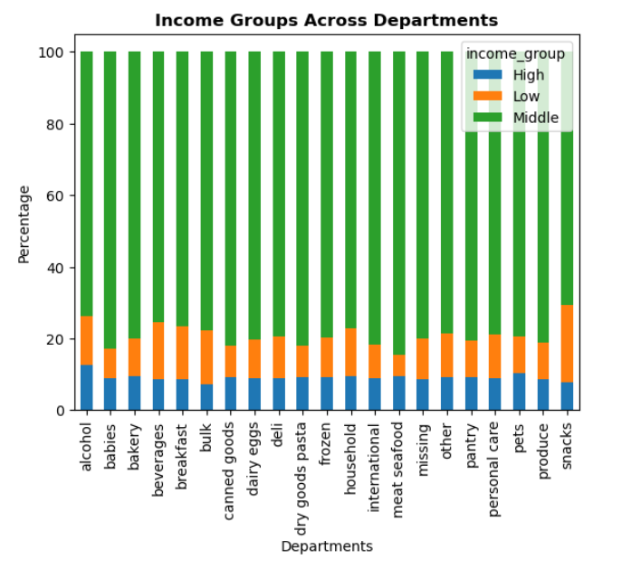

add_to_cart_order
 | mean | min | max
income_group
High | 8.526584 | 1 | 121
Low | 7.389054 | 1 | 137
Middle | 8.49135 | 1 | 145

prices_mod
 | mean | min | max
income_group
High | 7.942472 | 1 | 25
Low | 6.766241 | 1 | 25
Middle | 7.928672 | 1 | 25

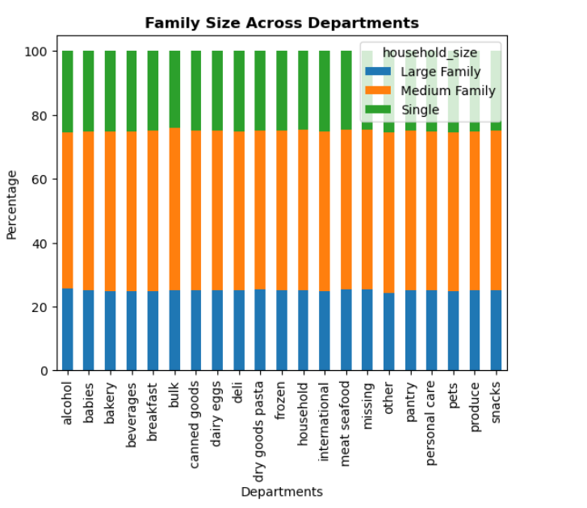
add_to_cart_order
 | mean | min | max
household_size
Large Family | 8.375061 | 1 | 145
Medium Family | 8.37025 | 1 | 114
Single | 8.336567 | 1 | 137

prices_mod
 | mean | min | max
household_size
Large Family | 7.793586 | 1 | 25
Medium Family | 7.790685 | 1 | 25
Single | 7.790233 | 1 | 25

Recommendation
Looking at the "add_to_cart_order" column, it can be observed that the mean value is similar across different age groups and income groups. However, households with large and medium family sizes have slightly higher mean values compared to single households.
On the other hand, looking at the "prices_mod" column, the mean values are similar across different age and income groups. However, households with medium and large family sizes have slightly higher mean values compared to single households.
Based on these observations, we can conclude that there is not a significant difference in the average "add_to_cart_order" or "prices_mod" values between different age groups or income groups. However, households with larger family sizes tend to have slightly higher values in both columns, which is likely due to the fact that they need to purchase more items to meet their needs.

7. Summary
 | Title page

Key points from the analysis

Schedule ads during weekdays, outside of 9am-5pm, and offer promotions during less busy times to even out demand and prevent overcrowding.

Advertise high-end products during daytime hours and offer promotions during evening hours to encourage purchases.

Focus advertising on products that are most frequently purchased during peak times of the day and offer promotions on products within the price range of 5-15.

Most popular departments are produce, dairy/eggs, snacks, and beverages. Cross-promote products and create bundles within these departments to increase sales.

Brand loyalty is a significant factor in customer retention, and marketing efforts should be tailored towards different loyalty segments.

South region has the highest amount of orders, followed by West, Midwest, and Northeast regions.

Middle-aged, married individuals tend to order the most and should be targeted with advertising that emphasizes the convenience of online grocery shopping during peak ordering times.

Produce and dairy/eggs are the most ordered products by middle-aged, middle-income, and medium-sized families.

There is not a significant difference in the average "add_to_cart_order" or "prices_mod" values between different age or income groups, but households with larger family sizes tend to have slightly higher values in both columns.

